
 |  |  |  | CODE: |  |  | pl1202WS aa SN from 98E905
DESCRIPTION: |  | FRAME |  | RAHMEN | CADRE | CHASÍS | TELAIO
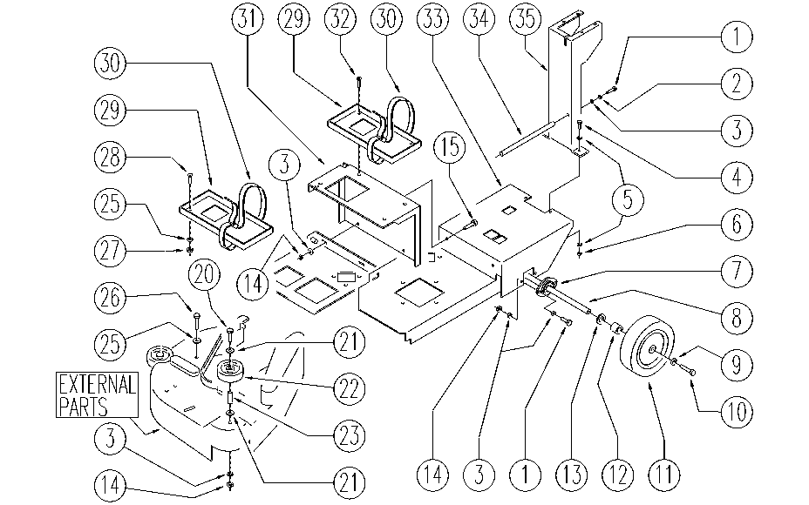

REF. | CODE | DESCRIPTION | QT
1 | E89486 | Screw | 6
2 | E86716 | Cham Washer | 2
3 | E86427 | Washer for AS20 | 14
4 | SL04145 | SCREW | 2
5 | E86726 | Washer | 4
6 | E86853 | Nyloc Hex Nut, M8 Zinc | 2
7 | E86742 | Support | 2
8 | E86539 | AS20 Axle | 1
9 | E86878 | Washer | 2
10 | E86540 | AS20 Screw M8x10 | 2
11 | SL08022 | WHEEL / SMALL WHEEL | 2
12 | E86743 | AS20 Bearing | 2
13 | E86744 | AS20 Washer | 2
14 | E86875 | Self-Locking Nut | 8
15 | SL04216 | SCREW | 2
20 | E86465 | AS20 Screw | 2
21 | E86758 | Washer | 4
22 | E86406 | Wheel D 60 | 2
23 | E86683 | AS24 Wheel Bushing | 2
25 | E86448 | AS20 Washer | 3
26 | E89469 | M4 - 15 Phil Pan Head Screw | 2
27 | SL05043 | NUT | 1
28 | E20290 | Flat Hd Soc Machine Screw M5x16 SS | 1
29 | E86458 | AS20 Plate | 2
30 | E86411 | Belt for Battery | 2
31 | SL09587 | SUPPORT | 1
32 | E89451 | Screw | 2
33 | SL09651 | BASEMENT | 1
34 | SL09349 | BEARING | 1
35 | SL09585 | UPRIGHT / PILLAR | 1

